1. Variables
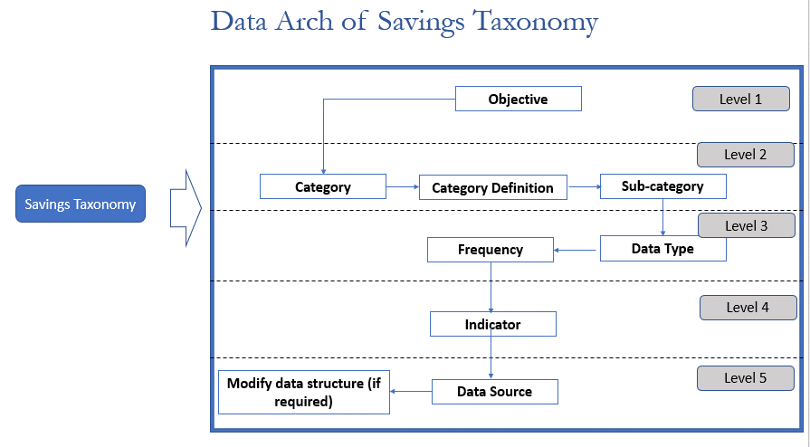
Variables | Definition
Objective | Objective is broad focus area of the organization which they want to drive from savings. Each objective has a set of categories, sub categories and indicators which help to objectively measure the performance against the defined objective.
Category | A list of category define the objective. Categories narrows down different elements of objectives, allow FSP to break down broader objective into specifics so that department/personnel can be made accountable for it. Categories are not definite. Their meaning & definitions may need updation from time to time.E.g. addition of new channels to serve users
Sub-category | Sub category tags the categories with specific data set. Sub categories can depend on the product features, channels available etc. In this project, we have tried to build comprehensive list of sub categories so that different types of FSPs - MFIs, Fintech, Banks etc. can use the savings taxonomy
Indicators | Definite metrics which allow FSPs to objectively collect, classify data and measure individual categories and eventually objectives. The indicators given here are collected from different FSPs, rating agencies and as such are indicative. Individual FSPs can still add more, modify as per their micro/macro situations.
Data Type | Data Type is the format in which indicator will be measured. Depending on the organization focus and their ability, they can collect same data in multiple data types as well to inform about the savings better
Source | Source are the different reports which are developed by different departments. The current example is just a proxy. It should be replaced with actual report names of the organization
Frequency | real time, daily, weekly, fortnightly, monthly, quarterly, half yearly or annually. Organization can choose desired frequency to represent the savings taxonomy

Savings (deposit) Taxonomy | A Taxonomy is a hierarchy of information for better classification, search, updation and usage.
 | A proper analogy perhaps would be like searching the suitable book in the college library or choice garment on an e-commerce site or building own catalogue by viewing how data in the library or e-commerce site are structured
 | Savings taxonomy could have different use cases. Two definite use cases for the FSPs could be: 1. Build own savings taxonomy 2. Choose a list of suitable indicators on the basis of defined objectives
 | The first usage is suitable for any new organization which is about to start its own savings programme or any org. which is looking to overhaul its savings data collection, classification and usage
 | Second usage can be effective for any organization which provides savings products and wants to strengthen any one pillar or all across business, customer experience, impact etc.

